ITHD Automatic
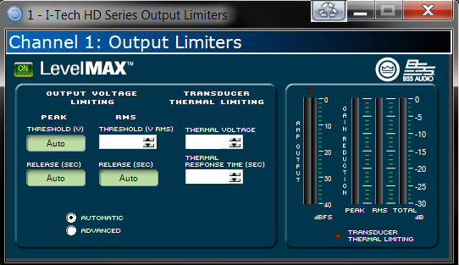
Component
Impedance:
AES Power, WRMS
2hr:
100hr:
 | Fill in above gray highlighted fields

 |  |  | ITHD - AUTOMATIC

 |  |  | Setting RMS Threshold

 |  | Impedance = | 0 | Ω
 |  | AES Power, WRMS, 2Hr = | 0 | W

 |  | RMS Threshold (V RMS) = | 0.00 | VRMS

 |  | Setting Thermal Threshold

 |  | Impedance = | 0 | Ω
 |  | AES Power, WRMS, 100Hr = | 0 | W

 |  | RMS Threshold (V RMS) = | 0.00 | VRMS

ITHD Advanced
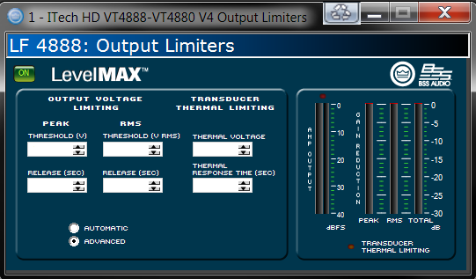
Component
Impedance:
AES Power, WRMS
2hr:
100hr:
 | Fill in above & below gray highlighted fields

 |  |  | ITHD - ADVANCED

 |  |  | Setting RMS Threshold

 |  | Impedance = | 0 | Ω
 |  | AES Power, WRMS, 2Hr = | 0 | W

 |  | RMS Threshold (V RMS) = | 0.00 | VRMS

 |  |  | Setting Thermal Threshold

 |  | Impedance = | 0 | Ω
 |  | AES Power, WRMS, 100Hr = | 0 | W

 |  | RMS Threshold (V RMS) = | 0.00 | VRMS

 |  |  | Setting Peak Threshold
 |  | Impedance = | 0 | Ω
 |  | AES Power, WRMS, 2Hr = | 0 | W

 |  | Vpk Threshold (Voltage Peak) Frequency from 1Hz to 100Hz | 0.00 | Vpk
 |  | Vpk Threshold (Voltage Peak) Frequency from 100Hz to 400Hz | 0.00 | Vpk
 |  | Vpk Threshold (Voltage Peak) Frequency above 400Hz | 0.00 | Vpk

 |  |  | Setting Release Times

 |  | High Pass Frequency = | 80 | Hz

 |  | Peak Release = | 0.0750 | (sec)

 |  | RMS Release = | 0.2388 | (sec)

IT-MAI Limiters
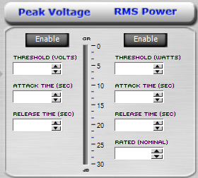
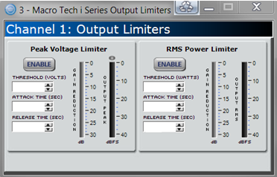
Component
Impedance:
AES Power, WRMS
2hr:
100hr:
 | Fill in above & below gray highlighted fields

 |  |  | iTECH / MAi

 |  |  |  | Setting RMS Power Threshold

 |  |  | Impedance = | 0 | Ω
 |  |  | AES Power, WRMS, 2Hr = | 0 | W

 |  | RMS Power Threshold (Watts) = |  | 0.00 | Watts

 |  |  |  | Setting Peak Threshold
 |  |  | Impedance = | 0 | Ω
 |  |  | AES Power, WRMS, 2Hr = | 0 | W

 |  |  | Vpk Threshold (Voltage Peak) Frequency from 1Hz to 100Hz | 0.00 | Vpk
 |  |  | Vpk Threshold (Voltage Peak) Frequency from 100Hz to 400Hz | 0.00 | Vpk
 |  |  | Vpk Threshold (Voltage Peak) Frequency above 400Hz | 0.00 | Vpk

 |  |  |  | Setting Peak Release

 |  |  | High Pass Frequency = | 20 | Hz

 |  |  | Peak Release = | 0.300000 | (sec)

 |  |  | RMS Release = | 0.891251 | (sec)

 |  |  |  | Setting Attack Times

 |  |  | Low Pass Frequency = | 60 | Hz

 |  |  | Peak Attack = | 0.100000 | (sec)

 |  |  | RMS Attack = | 0.313859 | (sec)

